HMI Matrix
# | HMI/VM Name Name | Type (VM/ Thick) | Control ST Version | Cimplcitiy Version | OS Type & Version | Antivirus Type & Version. License Key ( License key is available in ePO and it is same for all HMIs since we are deploying from ePO) | Backup Method and License Details | OPC Tunneling Software Type OPC License ID (GE HMI). License ID available in MFG box link | OPC License ID (Customer HMI). This license ID need when Site TA request to activate in Third Party in HMIs. Refer screen shot below | TMW Software type and License details | Control ST license | Cimplicity License | Historian License Proficy/PI PI License key cannot see in Historian. Capture License activated, Tags, Expiration | Windows License(The License key available in white bundle, take from MFG team) | Office License(The License key available in white bundle, take from MFG team)
1 | EWS6SVR | VM | V07.10.00C SP1 | Cimplicity 11 SIM19 | Win 2019 SERVER DATACENTER | McAfee EPO License Key: W58MH-S693K-NLE83-DHTDG Ver: 10.6.1.2253 | Acronis See Below | OPC AE CLIENT OPC AE SERVER | BELOW | ---- | CST-3PX3-THTD-22Y7-XVBB | ---- | ---- | BELOW | BELOW
2 | EWS10SVR | Thick | V07.10.00C SP1 | Cimplicity 11 SIM19 | Win 2019 SERVER STANDARD | McAfee EPO License Key: W58MH-S693K-NLE83-DHTDG Ver: 10.6.1.2253 | Acronis GP7US5NV-LC8UEPU6-HYRVY3SA-839WNP8X-CE2GFWM2-TR3VS7N7-D9CW4YXL-PNBKCTL4 | OPC AE CLIENT OPC AE SERVER | BELOW | ---- | CST-YDGQ-MBGD-W8CM-7DQJ | ---- | ---- | BELOW | BELOW
3 | AMS2SVR | Thick | V07.10.00C SP1 | Cimplicity 11 SIM19 | Win 2019 SERVER STANDARD | McAfee EPO License Key: W58MH-S693K-NLE83-DHTDG Ver: 10.6.1.2253 | Acronis VN88VKTF-SL8BFBHT-2R39ZEG2-E25HJGBM-DXQY45PZ-CD7CGRB9-EC87U4P9-MMHSTNBR | ---- | ---- | ---- | CST-R78G-YWDC-WKD9-DRDM | ---- | ---- | BELOW | BELOW
4 | GTWY3SVR | VM | V07.10.00C SP1 | Cimplicity 11 SIM19 | Win 2019 SERVER DATACENTER | McAfee EPO License Key: W58MH-S693K-NLE83-DHTDG Ver: 10.6.1.2253 | Acronis See Below | OPC DA CLIENT OPC DA SERVER |  | ---- | CST-Q8NT-282J-QDJQ-QX2H | ---- | ---- | BELOW | BELOW
5 | GTWY4SVR | VM | V07.10.00C SP1 | Cimplicity 11 SIM19 | Win 2019 SERVER DATACENTER | McAfee EPO License Key: W58MH-S693K-NLE83-DHTDG Ver: 10.6.1.2253 | Acronis See Below | OPC DA CLIENT OPC DA SERVER | BELOW | ---- | CST-VB9G-RDCB-YM7G-28DD | ---- | ---- | BELOW | BELOW
6 | HST2SVR | Thick | V07.10.00C SP1 | Cimplicity 11 SIM19 | Win 2019 SERVER STANDARD | McAfee EPO License Key: W58MH-S693K-NLE83-DHTDG Ver: 10.6.1.2253 | Acronis LH8EEW26-8ME6JBEZ-5TNMMHPG-QVEC35M5-DCC2UF5C-SYKR47EV-VQGPPQXZ-Q6DHRCFH | OPC HAD SERVER | BELOW | ---- | CST-36F4-79FM-4TKF-JWCK | ---- | Proficy License CSN: 4884 License QTY: 10000 Device ID: ARCSS0UZK20S-KC9VWW63ZC1L-0GC2GW4QC009 | BELOW | BELOW
7 | OWS15SVR | Thick | V07.10.00C SP1 | Cimplicity 11 SIM19 | Win 2019 SERVER STANDARD | McAfee EPO License Key: W58MH-S693K-NLE83-DHTDG Ver: 10.6.1.2253 | Acronis 3985SWXH-LRMPLGL6-J8L6V2RK-F4VEQ9EG-VED6KJEW-MJ9PYNCT-F58VSE2W-YVFC65VJ | ---- | ---- | ---- | CST-6VFD-22HM-B42K-93MB | ---- | ---- | BELOW | BELOW
8 | OWS16SVR | Thick | V07.10.00C SP1 | Cimplicity 11 SIM19 | Win 2019 SERVER STANDARD | McAfee EPO License Key: W58MH-S693K-NLE83-DHTDG Ver: 10.6.1.2253 | Acronis H9JHQTGV-2JZHBVX5-QU3C42UR-R2ZRL928-YPPAJEFN-V3C3M479-Y5QWAFA6-7MT7SSE2 | ---- | ---- | ---- | CST-9JYR-G4BJ-42P7-BXRK | ---- | ---- | BELOW | BELOW
9 | PMS2SVR | Thick | V07.10.00C SP1 | Cimplicity 11 SIM19 | Win 2019 SERVER STANDARD | McAfee EPO License Key: W58MH-S693K-NLE83-DHTDG Ver: 10.6.1.2253 | Acronis ZKZX8KG3-GBUMDQZ8-R6SQQHV3-EG7U2HL8-NXUSCGEF-N2TYW93F-KT7W353A-8U5P7U3W | ---- | ---- | ---- | CST-8977-4GJM-YH76-N9GD | ---- | ---- | BELOW | BELOW
10 | RDPVM4 | VM | V07.10.00C SP1 | Cimplicity 11 SIM19 | Win 2019 SERVER DATACENTER | McAfee EPO License Key: W58MH-S693K-NLE83-DHTDG Ver: 10.6.1.2253 | Acronis See Below | ---- | ---- | ---- | CST-YBQB-NW6B-2MNR-K2YB | ---- | ---- | BELOW | BELOW
11 | RDPVM5 | VM | V07.10.00C SP1 | Cimplicity 11 SIM19 | Win 2019 SERVER DATACENTER | McAfee EPO License Key: W58MH-S693K-NLE83-DHTDG Ver: 10.6.1.2253 | Acronis See Below | ---- | ---- | ---- | CST-RT9Q-D6RD-NRPK-RCHM | ---- | ---- | BELOW | BELOW
12 | RDPVM6 | VM | V07.10.00C SP1 | Cimplicity 11 SIM19 | Win 2019 SERVER DATACENTER | McAfee EPO License Key: W58MH-S693K-NLE83-DHTDG Ver: 10.6.1.2253 | Acronis See Below | ---- | ---- | ---- | CST-9VNN-YTFM-RPJR-7TRC | ---- | ---- | BELOW | BELOW
13 | THINSVR5 | VM | V07.10.00C SP1 | Cimplicity 11 SIM19 | Win 2019 SERVER DATACENTER | McAfee EPO License Key: W58MH-S693K-NLE83-DHTDG Ver: 10.6.1.2253 | Acronis See Below | ---- | ---- | ---- | CST-KRD7-J6FB-TTW9-XGPC | ---- | ---- | BELOW | BELOW
14 | THINSVR6 | VM | V07.10.00C SP1 | Cimplicity 11 SIM19 | Win 2019 SERVER DATACENTER | McAfee EPO License Key: W58MH-S693K-NLE83-DHTDG Ver: 10.6.1.2253 | Acronis See Below | ---- | ---- | ---- | CST-7VM2-KY2B-T87C-CMXH | ---- | ---- | BELOW | BELOW
15 | THINSVR7 | VM | V07.10.00C SP1 | Cimplicity 11 SIM19 | Win 2019 SERVER DATACENTER | McAfee EPO License Key: W58MH-S693K-NLE83-DHTDG Ver: 10.6.1.2253 | Acronis See Below | ---- | ---- | ---- | CST-V6M7-4FPJ-NPQT-38DD | ---- | ---- | BELOW | BELOW
16 | THINSVR8 | VM | V07.10.00C SP1 | Cimplicity 11 SIM19 | Win 2019 SERVER DATACENTER | McAfee EPO License Key: W58MH-S693K-NLE83-DHTDG Ver: 10.6.1.2253 | Acronis See Below | ---- | ---- | ---- | CST-Q2MR-8KRJ-GWMX-TQXH | ---- | ---- | BELOW | BELOW
17 | DC3 | VM | ---- | ---- | Win 2019 SERVER DATACENTER | McAfee EPO License Key: W58MH-S693K-NLE83-DHTDG Ver: 10.6.1.2253 | Acronis See Below | ---- | ---- | ---- | NA | ---- | ---- | BELOW | BELOW
18 | DC4 | VM | ---- | ---- | Win 2019 SERVER DATACENTER | McAfee EPO License Key: W58MH-S693K-NLE83-DHTDG Ver: 10.6.1.2253 | Acronis See Below | ---- | ---- | ---- | NA | ---- | ---- | BELOW | BELOW
19 | CA2 | VM | ---- | ---- | Win 2019 SERVER DATACENTER | McAfee EPO License Key: W58MH-S693K-NLE83-DHTDG Ver: 10.6.1.2253 | Acronis See Below | ---- | ---- | ---- | NA | ---- | ---- | BELOW | BELOW
20 | MC5 | VM | ---- | ---- | Win 2019 SERVER DATACENTER | McAfee EPO License Key: W58MH-S693K-NLE83-DHTDG Ver: 10.6.1.2253 | Acronis See Below | ---- | ---- | ---- | NA | ---- | ---- | BELOW | BELOW

 |  | ACRONIS LICENSE KEYS VMs |  |  |  |  |  | OPC LICENSE IDS

 |  |  |  |  |  |  |  | 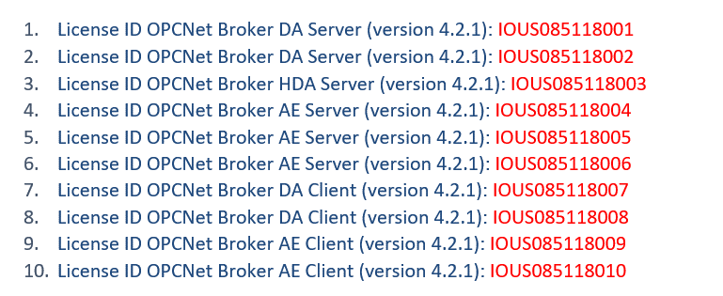

 |  | WINDOWS LICENSE KEYS

 |  | 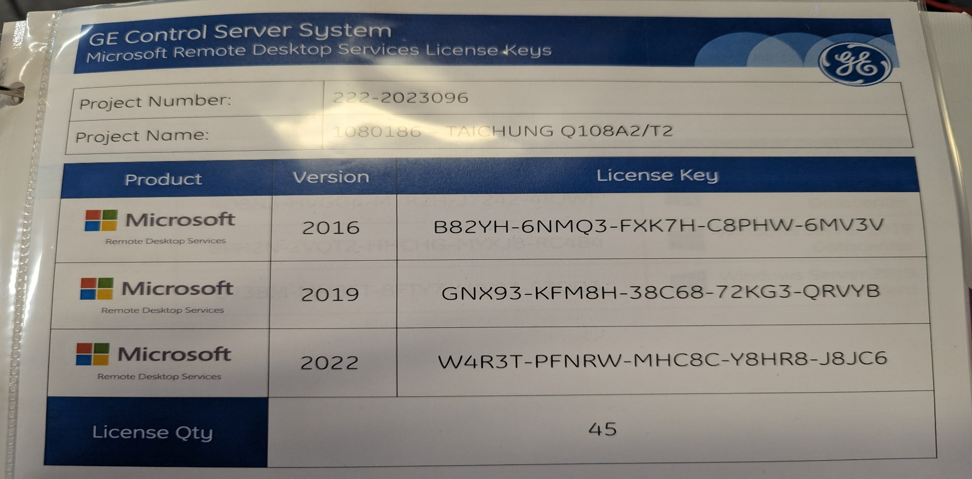

 |  |  |  |  |  |  |  | OFFICE LICENSE KEYS

 |  |  |  |  |  |  |  | 

TCW WorkstationST Feature repor
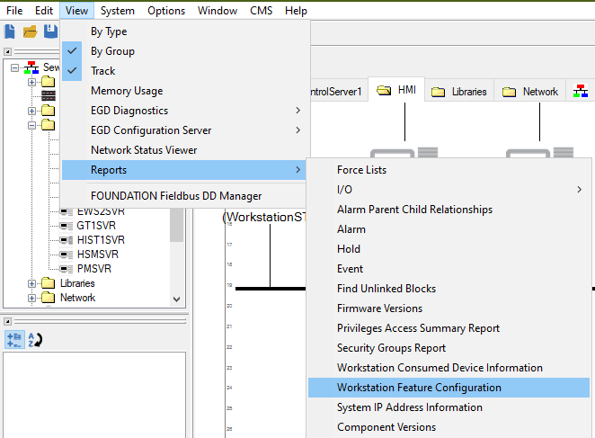
Example | Remove below example screen shot and add project specific screen shot from TCW here

Sheet1
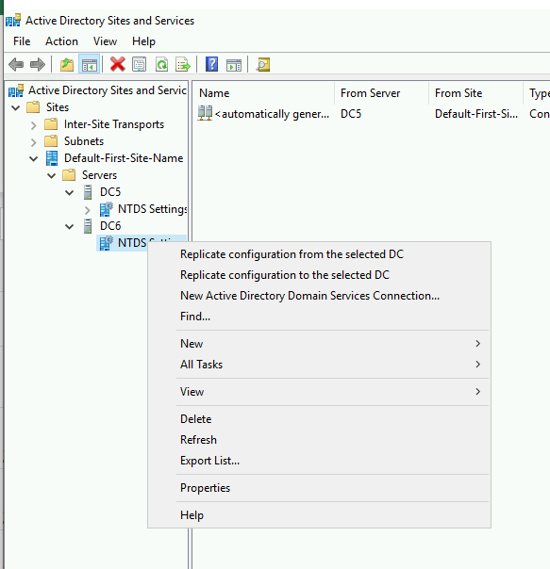
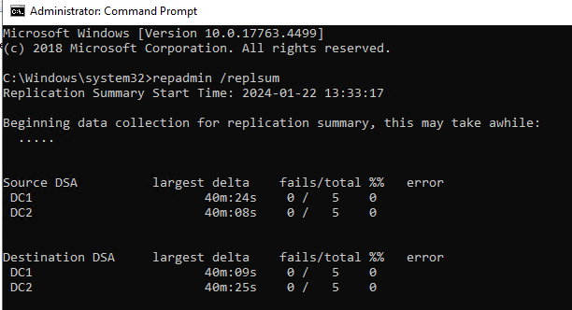

Sheet2
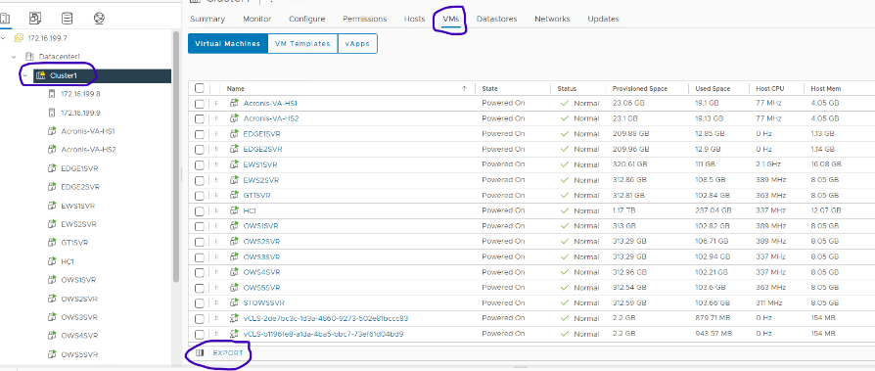



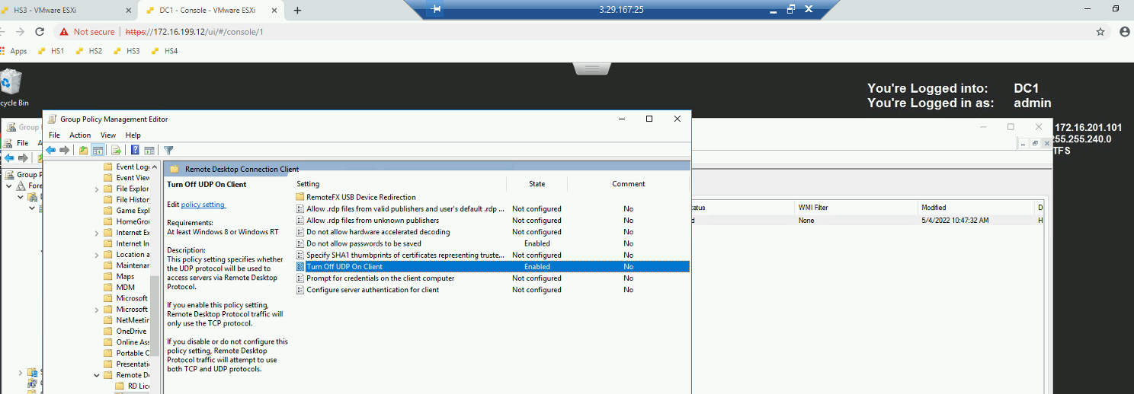

CH47
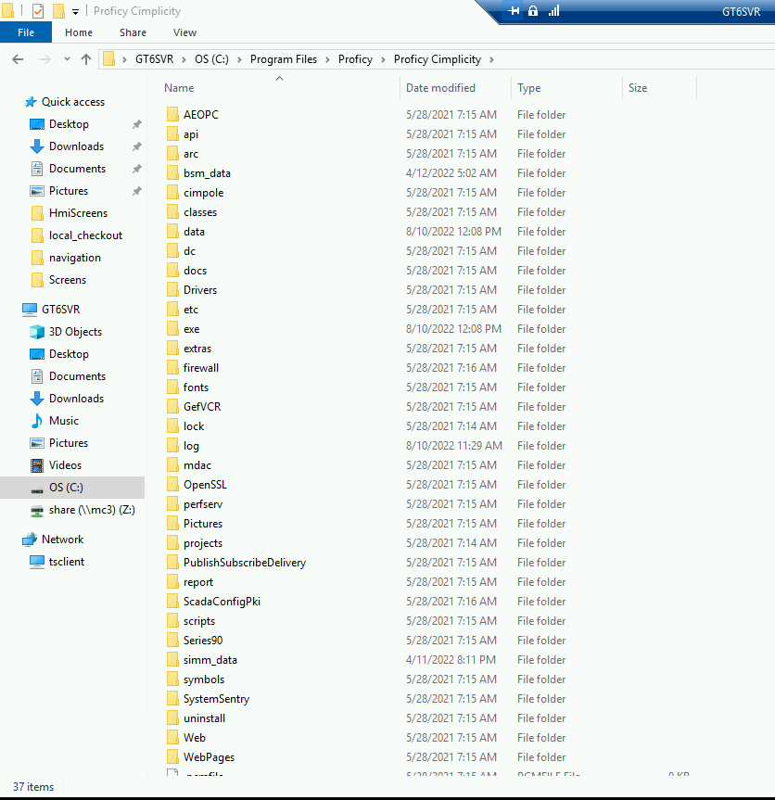
How to identify Cimplicty installed on correct path?
Correct Path -
C:\Program Files (x86)\Proficy\Proficy Cimplicity - have many files and folder
C:\Program Files\Proficy\Proficy Cimplicity have few files and folder
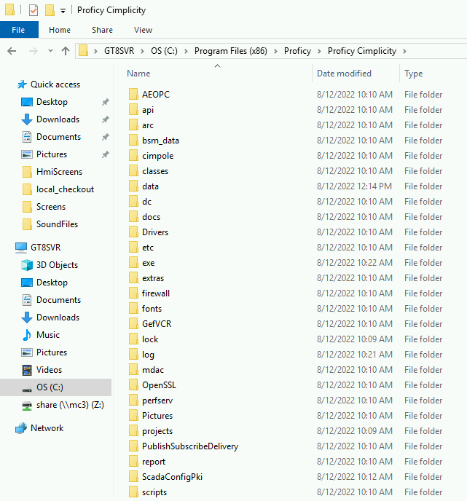
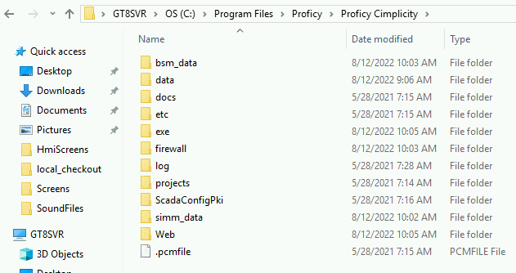

Wrong Path -
C:\Program Files\Proficy\Proficy Cimplicity have many files and folder
C:\Program Files (x86)\Proficy\Proficy Cimplicity have few files and folder

